Invoice
Company Name | 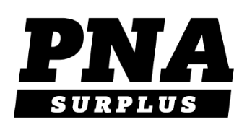
You May Place Your Order Online : https://www.pnasurplus.com/ Or fill out this PO and email/fax it back to us
ANME Summer 2021
1697 Elizabeth Ave |  |  | Toll Free : 800.430.1814
Rahway, NJ 07065 |  |  | Tel: 732.317.0909
sales@pnasurplus.com |  |  | Fax: 800.406.7939

Bill To: |  | Ship To: |  |  | PO
Address: |  | Address:
 |  |  |  |  | Date
Phone: |  | Email:
Payment Details | Credit card Info |  | Net 30
Item # | Description | Size | Qty | Unit Price | Price
 |  |  |  |  | $0.00
 |  |  |  |  | $0.00
 |  |  |  |  | $0.00
 |  |  |  |  | $0.00
 |  |  |  |  | $0.00
 |  |  |  |  | $0.00
 |  |  |  |  | $0.00
 |  |  |  |  | $0.00
 |  |  |  |  | $0.00
 |  |  |  |  | $0.00
 |  |  |  |  | $0.00
 |  |  |  |  | $0.00
 |  |  |  |  | $0.00
 |  |  |  |  | $0.00
 |  |  |  |  | $0.00
 |  |  |  |  | $0.00
 |  |  |  |  | $0.00
 |  |  |  |  | $0.00
 |  |  |  |  | $0.00
 |  |  |  |  | $0.00
 |  |  |  |  | $0.00
 |  |  |  |  | $0.00
 |  |  |  |  | $0.00
 |  |  |  |  | $0.00
 |  |  |  |  | $0.00
 |  |  |  |  | $0.00
 |  |  |  |  | $0.00
 |  |  |  |  | $0.00
Shipping costs will be finalized upon packing your order. |  |  |  | TOTAL | $0.00
We will email you the final price once your order has shipped

